1. Title Page
[Project Name]

Project Name: Instacart Grocery Basket Analysis
Date: October 2023
Analyst Name: Mafalda Antunes

Contents:
Population Flow
Consistency checks
Wrangling steps
Column derivations
Visualizations
Recommendations

Data Provided by:
Kaggle on 09/23/2023
"The Instacart Online Grocery Shopping Dataset 2017"
Accessed from http://www.instacart.com/datasets/grocery-shopping-2017

Note: Instacart is a real company that’s made their data available online. However, the contents of this project brief have been fabricated for the purpose of this Achievement.

2. Population Flow
 | Title page

Population flow

Exclusion flag
Condition: max_order < 5
Obervations to be removed: 1441548
Final total count of order_products_all: (30992664;39)

Orders_products_combined
Orders_products_merged
Orders_products_all

Total:( 32434489;12)
Total: :(32434212;26)
•Total:(30992664;39)

1.) The grey boxes in the first row of the population flow represent the original data sets as they were when you downloaded them. In the Total fields you need to add the count of the rows when you imported the data set into Jupyter.
2.) The second row of boxes (coloured) represents the data sets after you manipulated them, e.g., removed missing values and duplicates. In the Total fields you need to add the count of the rows after conducting these operations. This offers a visual oveview of how the data flows throughout the data consistency checks.
3.) The third row, where also the arrows are coloured, represents the merges you performed between the datasets. In the Total fields you need to add the count of the rows in the merged datasets, so that you end up with the final dataset (in the red box). Keep in mind the final dataset should be without exclusions (based on the exclusion flag).

3. Consistency checks
 |  |  |  |  | Title page
Consistency checks

Dataset | Missing values | Missing values treatment | Duplicates | Duplicates treatment
orders | 206209 | None | 0 | -
products | 16 | eliminated | 5 | eliminated
orders_products_prior | - | - | - | -
customers | 11259 | first name column dropped | - | -

4. Wrangling steps
 |  |  |  |  |  | Title page
Wrangling steps

DataFrame | Data set | Columns dropped | Columns renamed | Columns' type changed | Comment/Reason
orders | Prepared data | eval_set column | - |  | Column with no relevant information
 | Prepared data | - | orders_dow' to' orders_day_of week' | ´- | For interpretation improvement
 | Prepared data | - | days_since_prior_order' to' days_between_orders' | ´- | For interpretation improvement
 | Prepared data | - | - | Order_id' from int 64 to string | To optimise analysis calculations
 | Prepared data | - | - | User_id' from int 64 to string | To optimise analysis calculations
products |  | Unnamed: 0 | - | - | Column with no relevant information
orders_products_prior | Preprared data | Unnamed: 0 | - | - | Column with no relevant information
customers | Preprared data | Surnam | last_name | - | For interpretation improvement
 | Preprared data | Gender | gender | - | For interpretation improvement
 | Preprared data | STATE | state |  | For interpretation improvement
 | Preprared data | n_dependants | dependants |  | For interpretation improvement
 | Preprared data | fam_status | family_status |  | For interpretation improvement
 | Preprared data | First name | - | - | PII compliance
 | Preprared data | last name | - | - | PII compliance

5. Column derivations
 |  |  |  | Title page

Column derivations and aggregations

In this tab you should add tables below that the frequences of flags/label variables that you produced after deriving them. NB: don't do this for continuous variables, only for flags.
Dataset | New column | Column/s it was derived from | Conditions
orders_products_merged_v2 | price_label | price_label | Low range ( ‘prices’ <= 5) Mid range (‘prices’ >5 & <=15) High Range (‘prices’ > 15) Else: not enough data
 | price_range | price_range | Low range product( ‘prices’ <= 5) Mid range product (‘prices’ >5 & <=15) High Range product (‘prices’ > 15)
 | Busiest_day | orders_day_of_week | Busiest days = 0 or 1 (orders) Slowest days = 3 or 4 Regularly busy = else
 | Busiest_days | orders_day_of_week | Top Busiest day = 0 (orders) Second Busiest day=1 Bottom busiest day=4 Least busy=3 Else= Regularly busy
 | Busiest_period_of_day | order_hour_of_day | Most orders = [ 9,10,11,12,13,14,15,16] Fewest orders = [ 0,1,2,3,4,5,6,7,8] Else = Average orders

orders_products_merged_v3 | loyalty_flag | max_order | Loyal customers = > 40 ( max_orders) Regular customers = >= 10 & <= 40 New customers = < 10
 | spending_flag | mean_price | High spender = => 10 Low spender = <10
 | Frequency_flag | median_days_since_prior_order | Frequent customer = < 10 Regular customer = => 10 & <= 20 Non-frequent customer = > 20

instacart_customer_high_activity | region | state | Northeast =['Maine', 'New Hampshire', 'Vermont', 'Massachusetts', 'Rhode Island', 'Connecticut', 'New York', 'Pennsylvania', 'New Jersey'] Midwest = ['Wisconsin', 'Michigan','Illinois', 'Indiana', 'Ohio', 'North Dakota', 'South Dakota', 'Nebraska', 'Kansas', 'Minnesota', 'Iowa', 'Missouri'] South = ['Delaware', 'Maryland', 'District of Columbia', 'Virginia', 'West Virginia', 'North Carolina', 'South Carolina', 'Georgia', 'Florida', 'Kentucky', 'Tennessee', 'Mississippi', 'Alabama', 'Oklahoma', 'Texas', 'Arkansas', 'Louisiana'] West = ['Idaho', 'Montana', 'Wyoming', 'Nevada', 'Utah', 'Colorado', 'Arizona', 'New Mexico', 'Alaska', 'Washington', 'Oregon', 'California', 'Hawaii']
 | activiy_ flag | max_order | Normal customer = > 4 Low activity customer = <= 4

'instacart_customer_high_activity_v2 | Age_group_flag | Age | Young= => 18 & <= 33 Midle Age= => 34 & <= 64 Old = > 65
 | income_group_flag | income | Low income = => 2.5903e+04 &<=6.728900e+04 Regular income = >6.728900e+04) &<=1.281010e+05 High income = >1.281010e+05)
 | dependant_group_flag | dependants | no dependants = < 1 one dependant = 1 plus depdendants > 1

6. Visualizations
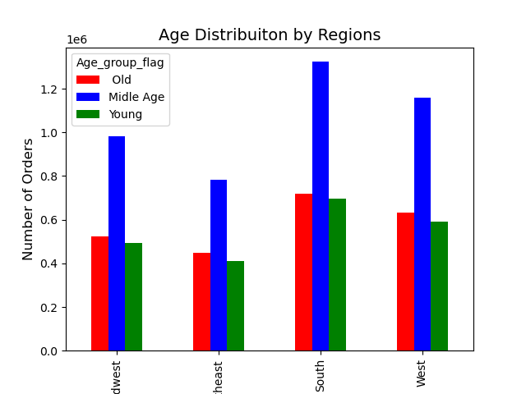
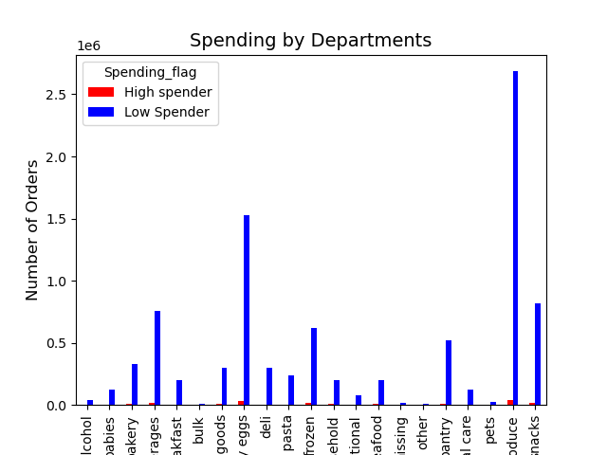
 |  |  |  | Title page

Visualisations

In this tab you should include all the visualtions from Exercises 4.9 and 4.10, alongside the questions from the project brief that they answer. Include any commentary on the relationship between different variables.

Q1: The sales team needs to know what the busiest days of the week and hours of the day are (i.e., the days and times with the most orders) in order to schedule ads at times when there are fewer orders.

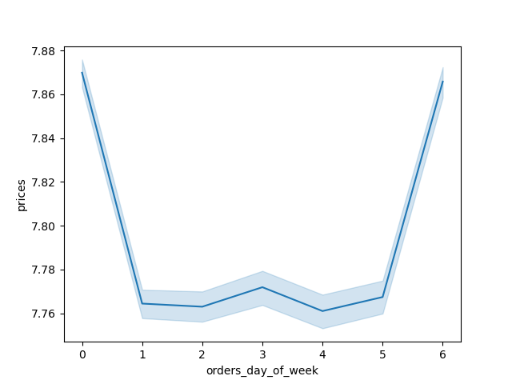


The busiest days of the week are Saturday and Sunday.

Q2: They also want to know whether there are particular times of the day when people spend the most money, as this might inform the type of products they advertise at these times day are (i.e., the days and times with the most orders) in order to schedule ads at times when there are fewer orders.

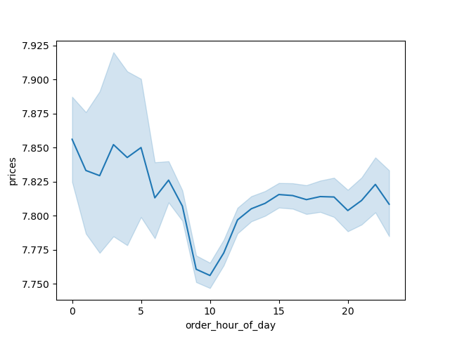


From the plot pattern we can see that the orders start slowly in the early morning hours, then start to increase by 9h, peaking at 10h to 12h, and then start slowly decreasing by 16h again.

Q3 Instacart has a lot of products with different price tags. Marketing and sales want to
use simpler price range groupings to help direct their efforts.


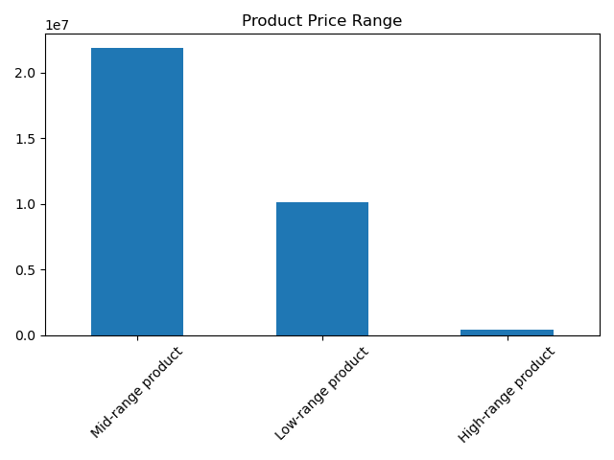

There was a price range classification applied: ( low range: price< 5$; mid range : >5 & < 15; high -range: > 15 $)

Q4 Are there certain types of products that are more popular than others? The marketing
and sales teams want to know which departments have the highest frequency of
product orders.

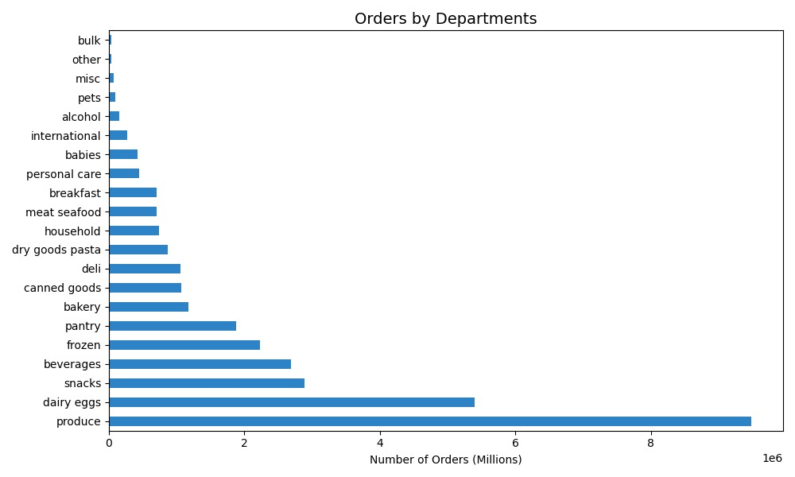

The most ordered products are produced, dairy- eggs and snacks.

Q5. Are there differences in ordering habits based on a customer’s loyalty status?
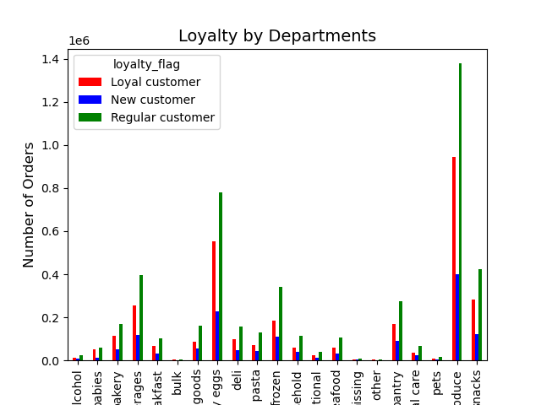

Q6. What’s the distribution among users in regards to their brand loyalty (i.e., how
often do they return to Instacart)?



 | Regular customer | Loyal customer | New Customer

The Regular customers are the ones who order more frequently.

Q7. Are there differences in ordering habits based on a customer’s region?
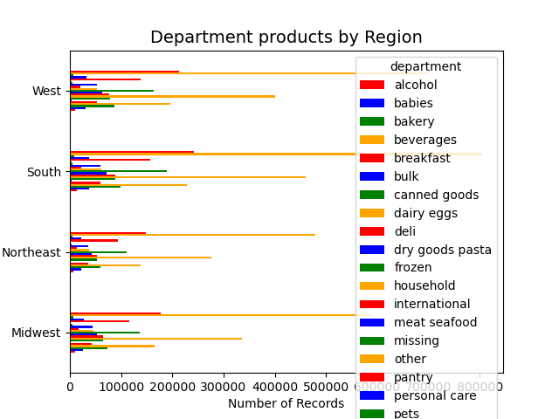
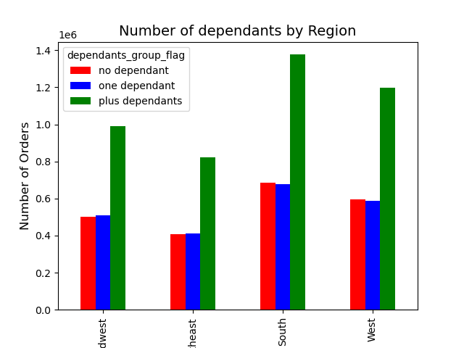
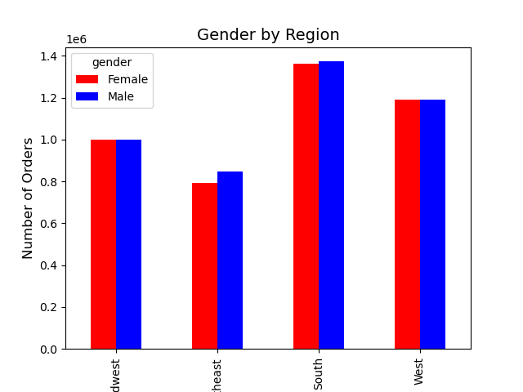

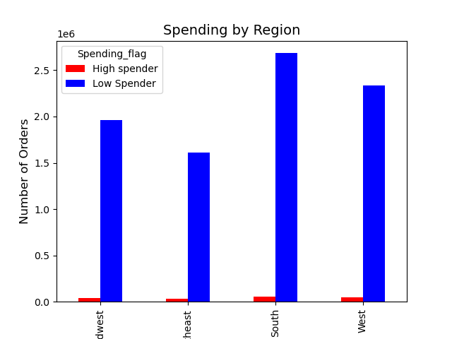
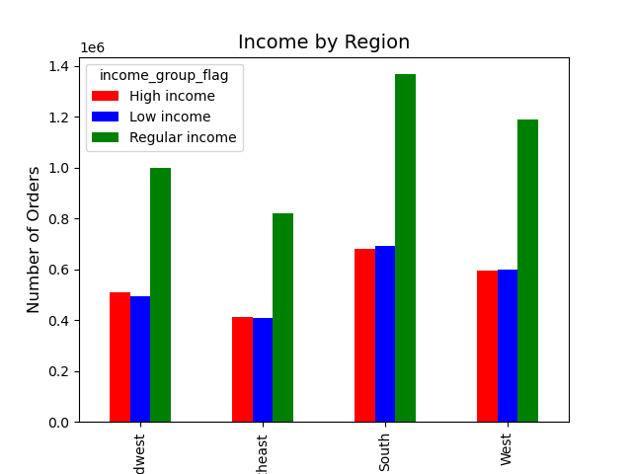
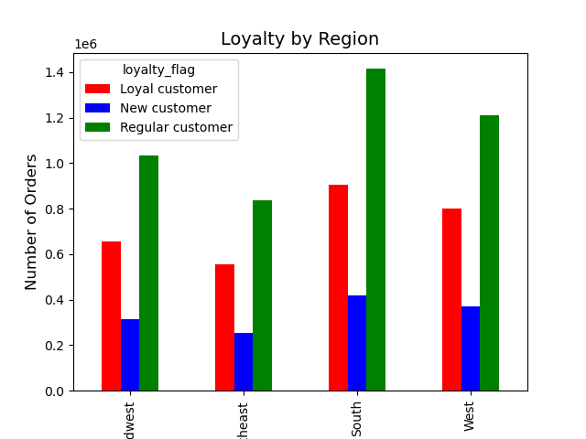

There maybe a few fluctuations, but the patterns are consistent by region.

Q8. Is there a connection between age and family status in terms of ordering
habits?
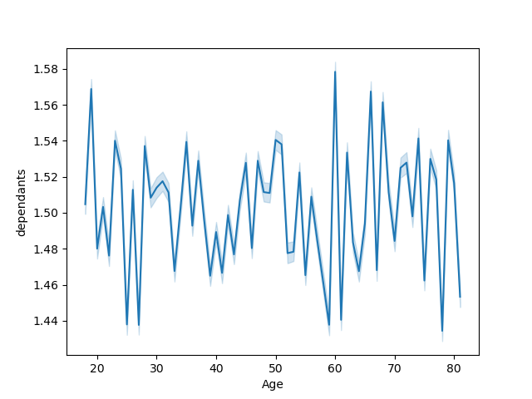

From the chart we see no connection between age and number of dependants

Q9. What different classifications does the demographic information suggest?
Age? Income? Certain types of goods? Family status?

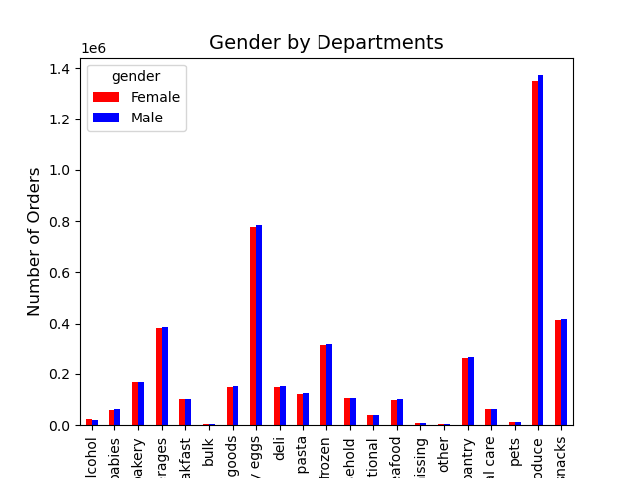
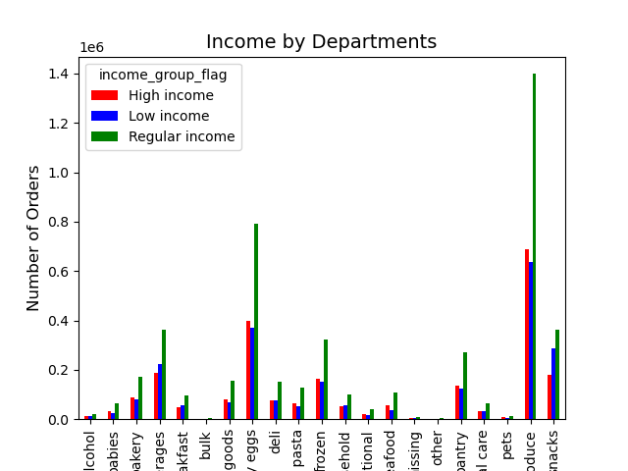
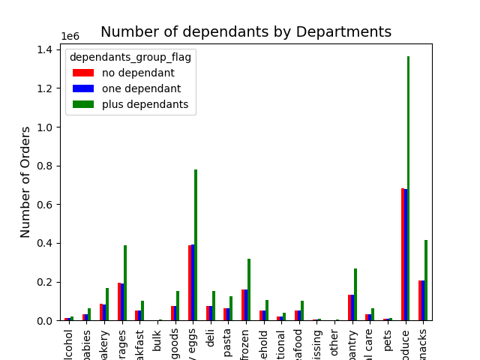

Q10. What differences can you find in ordering habits of different customer
profiles? Consider the price of orders, the frequency of orders, the products
customers are ordering, and anything else you can think of.

7. Recommendations
 |  | Title page

Recommendations

In this tab you should include any recommendations you would made to Instcart in terms of their marketing strategy based on the questions posed in the brief. Every key question has been covered in the Tasks of the Exercises - here you need to add an item - a visualisation or table/crosstable that is showing the answer in the data, acompanied by a comment from you. Please, list the questions below and add the answer underneath.

Question | Answer

Q1: The sales team needs to know what the busiest days of the week and hours of the | The busiest days of the week are Saturday and Sunday, and the busiest hours are from 9h00 to 17h00, so it would advisable aim add campaigns around that time.
day are (i.e., the days and times with the most orders) in order to schedule ads at
times when there are fewer orders.
Q2.They also want to know whether there are particular times of the day when people | The daily order pattern starts slowly in the early morning hours, then start to increase by 9h, peaking at 10h to 12h, and then start slowly decreasing by 16h again, so taking this information into consideration in sales and marketing campaigns would be of the most relevance.
spend the most money, as this might inform the type of products they advertise at
these times.
Q3. Instacart has a lot of products with different price tags. Marketing and sales want to use simpler price range groupings to help direct their efforts. | To address this concern a price range analysis for all products was done, and more than half of the products were considered middle ranged, with only a small percentage considered high range products. And those products are in the meat/seafood section.

Q4. Are there certain types of products that are more popular than others? The marketing and sales teams want to know which departments have the highest frequency of product orders. | The most frequent orders produces come form the department of Produce, followed by dairy/eggs and snacks. Promotions and advertisement to theses products should be considered.

Q5. Are there differences in ordering habits based on a customer’s loyalty status? | The data showed that the majority of customers are considered low spenders through all loyalty range categories.

Q6. What’s the distribution among users in regards to their brand loyalty (i.e., how often do they return to Instacart)? | More than 50% of the company top ordering customers are found to be regular customers ( that order from 10 to 40 orders), and not the most loyal ones, so it would be advisable to further analyse this situation to improve customer segmentation marketing.

Q7. Are there differences in ordering habits based on a customer’s region? | The top orders are made in the South region, followed by the West and Midwest and finally the Northeast region.

Q8. Is there a connection between age and family status in terms of ordering habits? | There was no connection found.

Q9. What different classifications does the demographic information suggest? | The data as shown that the our top customers are middle-aged ( 34 to 64 years old), with more than one dependant, so family's of four elements. Difference of client gender was of no significance. The other two age categories, old and young follow this similar values.
Age? Income? Certain types of goods? Family status?

Q10. What differences can you find in ordering habits of different customer profiles? Consider the price of orders, the frequency of orders, the products customers are ordering, and anything else you can think of.

